Dashboard
Toy Model: Climate Finance Risk and Return Framework - Policy Dashboard

Edit the policy levers below. The Projects sheet and the chart on the right-hand side will respond automatically.

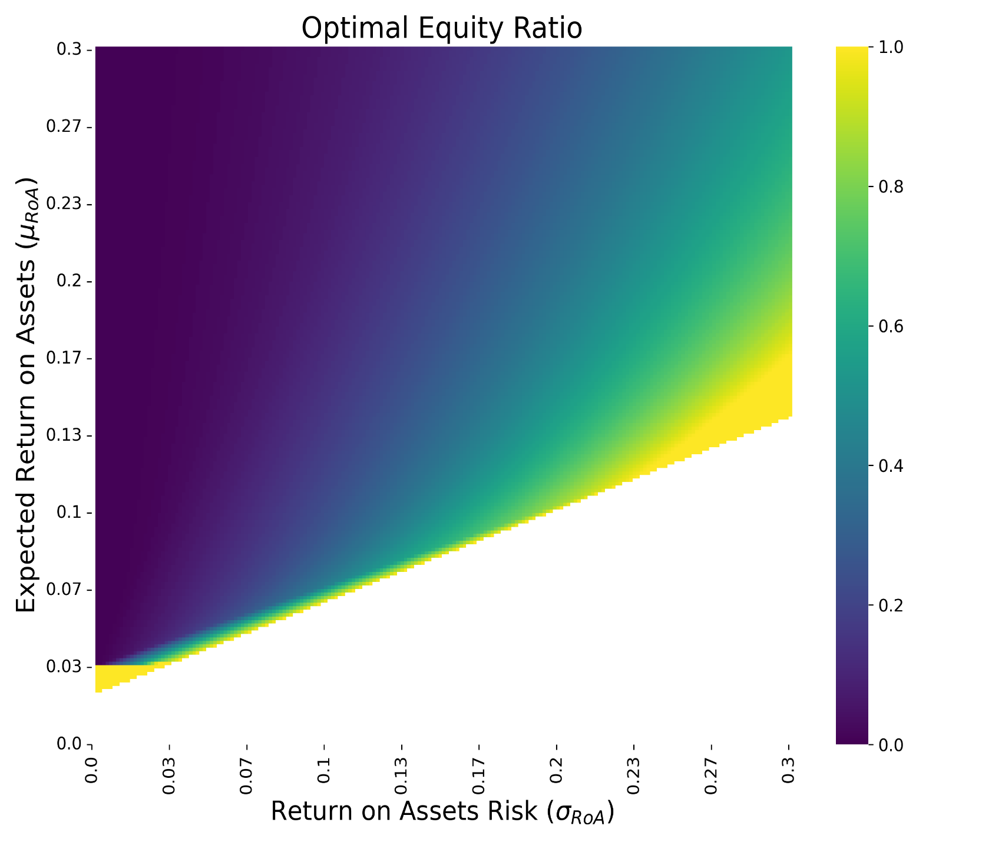
 | Low-carbon |  | High-carbon |  | Financed LC |  | Financed HC
0.05 | 0.08 | 0.24 | 0.25 | 0.05 | 0.08 | 0.24 | 0.25
0.07 | 0.04 | 0.04 | 0.19 | 0.00 | 0.00 | 0.04 | 0.19
0.02 | 0.11 | 0.22 | 0.12 | 0.02 | 0.11 | 0.00 | 0.00
0.16 | 0.07 | 0.05 | 0.06 | 0.00 | 0.00 | 0.05 | 0.06
0.05 | 0.09 | 0.13 | 0.20 | 0.05 | 0.09 | 0.13 | 0.20
0.21 | 0.07 | 0.17 | 0.20 | 0.00 | 0.00 | 0.17 | 0.20
0.26 | 0.02 | 0.03 | 0.09 | 0.00 | 0.00 | 0.03 | 0.09
0.27 | 0.06 | 0.02 | 0.05 | 0.00 | 0.00 | 0.02 | 0.05
0.11 | 0.12 | 0.05 | 0.15 | 0.11 | 0.12 | 0.05 | 0.15
0.25 | 0.13 | 0.13 | 0.12 | 0.00 | 0.00 | 0.13 | 0.12
Structural variables | Value | Description
New available equity investment (LC mn) | 2,000 | Maximum equity to be issued for project financing over the next 10 years
of which: base available equity | 2,000 | Initial available equity financing before command-and-control frees equity
of which: remaining | 63 | Remaining after project financing
Bank loan risk weights | 100% | Based on international standards (Basel III standardized approach)
Bank capitalization ratio | 15% | Based on supervisory expectations
Fiscal space | 500 | Available fiscal resources for policy support (including tax revenue change)
of which: remaining | 500 | Remaining after policy support expenses
Risk aversion (λ) | 0.60 | Trade-off: score = Adj Return − λ × Adj Risk (higher λ penalizes risk more).

Policy Lever | Value | Description
Carbon tax | FALSE | Increases LC exp. returns, decreases HC exp. returns, raises tax revenue
Guarantees for green projects | FALSE | Decreases LC risk, has fiscal costs
Green subsidies | FALSE | Increases LC expected returns, has fiscal cost
Sustainable finance framework | FALSE | Does not impact risks and returns of LC projects
Co-financing | FALSE | Government uses fiscal space to finance cheapest un-financed LC projects
Command and control | FALSE | Some of the HC projects are banned, has fiscal costs (lost tax revenue)

Targets and Diagnostics
Metric | Value | Notes
LOW CARBON projects financed | 4 | Key outcome that model users may try to maximize via policy.
volume financed | 1.37 | bn
HIGH CARBON projects financed | 9 | Outcome that model users may try to minimize via policy.
volume financed | 5.29 | bn

